TOTAL VOTES
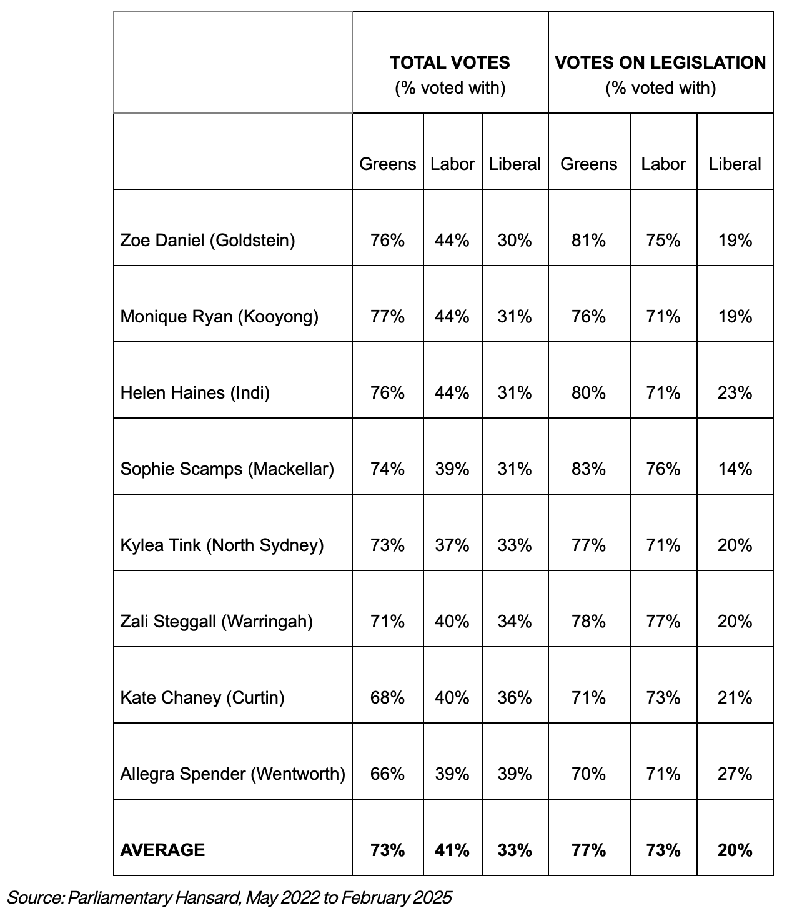
Percent agreement, all votes
 | LIB | ALP | GRN | LIB/ALP +/- | LIB/GRN +/- | ALP/GRN +/-
CHANEY | 35 | 40 | 59 | -5 | -24 | -19
DANIEL | 29 | 44 | 67 | -15 | -38 | -23
HAINES | 30 | 44 | 67 | -14 | -37 | -23
RYAN | 30 | 44 | 68 | -14 | -38 | -24
SCAMPS | 31 | 39 | 64 | -8 | -33 | -25
SPENDER | 39 | 39 | 58 | 0 | -19 | -19
STEGGALL | 33 | 40 | 62 | -7 | -29 | -22
TINK | 33 | 37 | 64 | -4 | -31 | -27
AVERAGE: | 32.5 | 40.875 | 63.625

Notes: by my version of the data, there were 554 votes on all votes up to Mid feb 2025. Again not all teals attended every vote, so I accounted for this by only counting votes attended by each teal mp toward their percentage score. Again it is interesting that the results are quite different from the teals revealed website version. See the TOTAL VOTES columns below.

